Sheet1


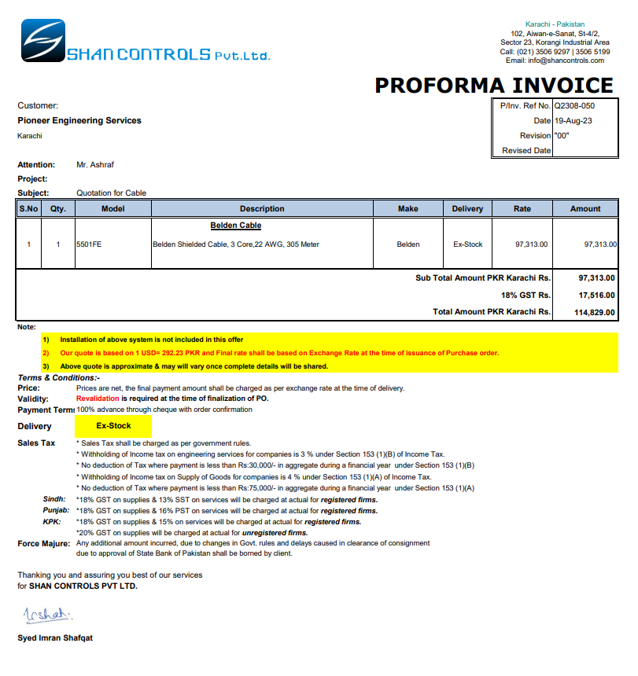

PES/CAN/004/08/23 |  |  |  |  |  |  |  | 2023-08-25
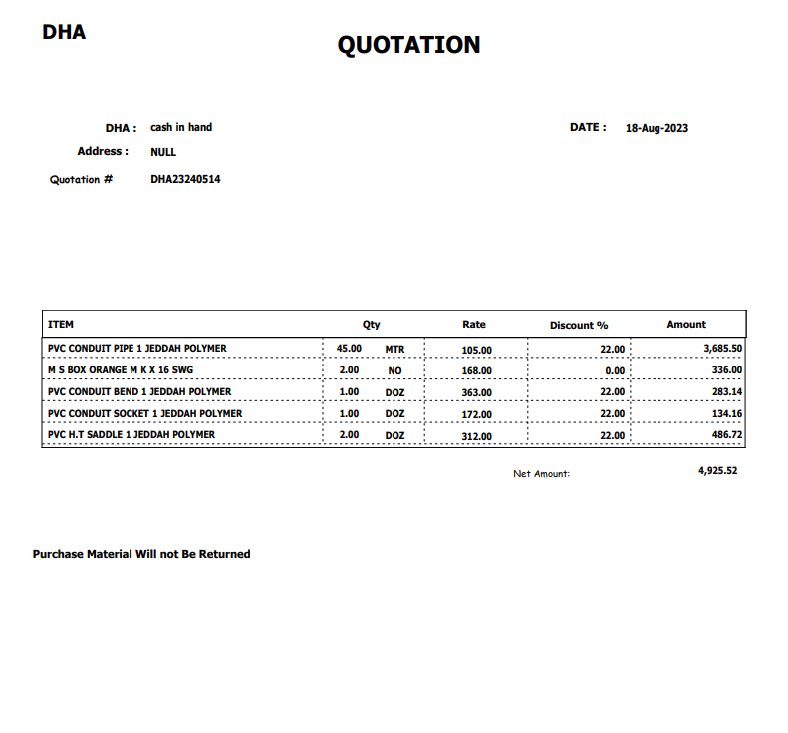

Attn: Mr. S. Talal.

Variation order for Thermostat wiring - Khaadi Canteen Dolmen Mall Clifton Karachi

S. # | Description | Material Rate | Labour Rate | Over Head profit 20% | Tax 7.5% | Unit | Qty | Amount
i | Supply & installation of thermostat wiring. | 98 | 50 | 30 | 13 | Rft | 340 | 64,694
2 | Supply & installation of related fittings as follows Conduit: 1" 45 meter Socket: 01 Doz Bend: 01 Doz Back Box: 02 Nos Saddle: 02 Doz | 4,925 | 1,000 | 1,185 | 533 | Job | 1 | 7,643
Total Amount Rs. |  |  |  |  |  |  |  | 72,337

Thanking you,

For PIONEER ENGINEERING SERVICES.

Bilal Habib

